ITP - Pavement
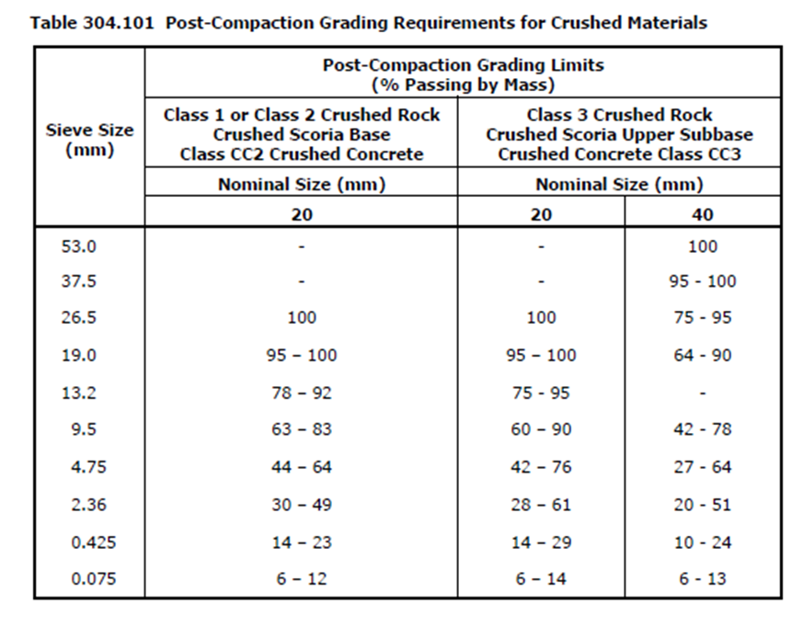
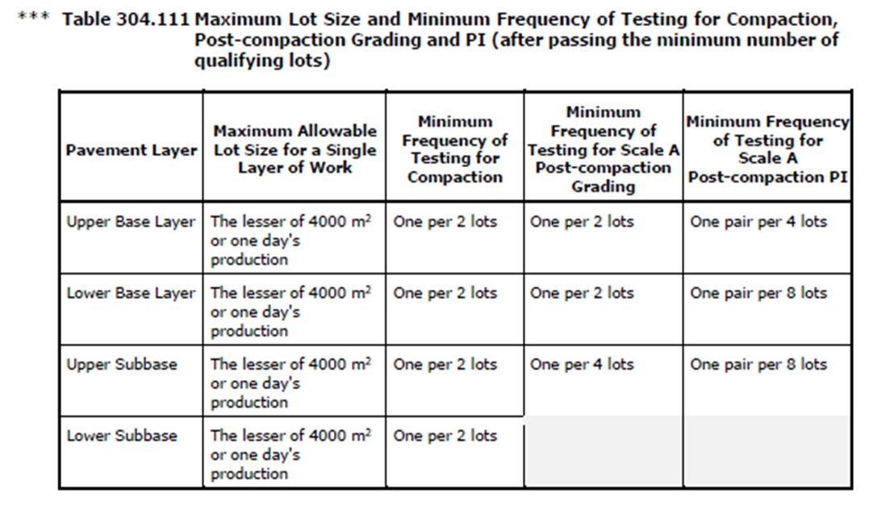
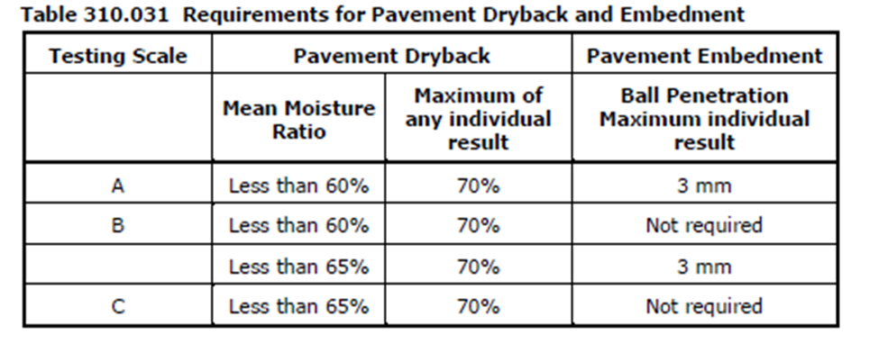
 |  |  | Inspection and Test Plan - Control and Supervision of the Works |  |  |  |  |  |  |  | Document #
 |  |  |  |  |  |  |  |  |  |  | Revision : 0 | Date :

Client: |  | Department of State Growth |  | Construction Process: |  | Prepared by: |  | Reviewed by : |  |  | Approved by :
Project: |  | Bruny Island Link Map Link 74, Ch 6.47 to Ch 9.13 |  | Unbound Flexible Pavement Construction |  | Name: | Dhruv Patel | Name: |  |  | Name:
Contract No: |  |  |  | Specifications: Specifications Section 304 (Contract Specific Clauses)
 |  |  |  | Structure / Component: |  | Signed : |  | Signed : |  |  | Signed :
 |  |  |  | Location: Bruny Island Link Map Link 74, Ch 6.47 to Ch 9.13 |  | Date : | 22.02.2023 | Date : |  |  | Date :

Lot No: |  |  | Lot Details: |  |  |  |  |  | Lot Size/ Quantity:

Item | Task/Activity Description |  | Inspection / Controls and Verification Detail |  |  |  |  | HP/ WP/ AP/ IP/ TP/ SCP | Responsibility | Checked by:
No. |  |  | Frequency | Acceptance Criteria | Reference Documents | Inspection / Test Method | Record of conformity |  | Project Engineer Site Engineer Superintendent Surveyor Foreman | Client | Fulton Hogan | Independent QA Verifier | Date
1 | Preliminary Works
1.1 | Check for correct documentation |  | Prior to commencing any activity | Ensure that all employees and subcontractors are: - using the correct and complete set of drawings -all drawings are the latest revision | Drawings and drawing registers | Visual inspection | This ITP signed | HP* | Site Engineer | N/A |  | N/A
1.2 | Material Classification |  | Prior to commencing works | Hold Point: All crushed rock proposed for use shall be current registered mixes in accordance with VicRoads RC500.02 and conform to specified requirements applicable to that class of product | 812.04 VicRoads RC500.02 | Document Review | This ITP signed | AP | Site Engineer / QAV | N/A
1.3 | Implementation of all measures and controls |  | Prior to commencing works | All necessary measures and controls are being implemented, that is: PSP, EMP, TMP, SWMS & WP` | PSP, EMP, TMP, JSEA, SWMS, WP | Visual Inspection | This ITP signed | HP* | Site Engineer | N/A |  | N/A
1.4 | Plant and Equipment |  | Prior to commencing works | Plant and equipment used in the Works are appropriate to achieve specification requirements and is inducted | N/A | Visual Inspection | This ITP signed | IP | Site Engineer | N/A |  | N/A
2 | Placement
2.1 | The commencement of construction of base and subbase |  | Prior to placing subbase | Underlying ITP signed off Identifying and removing soft areas to a minimum of 200mm depth. Underlying layer shall be clean of all foreign matter. The edges of previously placed materials shall be watered. Proof roll underlying layer prior to commencing | Drawings | Verify | This ITP signed | IP | Site Engineer | N/A |  | N/A
2.2 | Delivery Dockets |  | Each lot | Where material is scheduled for measurement by loose volume in delivery vehicles or by mass, a delivery docket for each load shall be issued to the Superintendent at the point of delivery. |  | Verify | This ITP signed | IP | Site Engineer | N/A |  | N/A
2.3 | Layer Thickness |  | Each layer | Material is to be compacted to the overall thickness shown in the drawings (dependent on pavement type), subbase not less than the specified thickness by more than 15 mm | Drawings and 304.06(c) | Visual and Measure | This ITP signed | IP | Site Engineer | N/A |  | N/A
2.4 | Conformity with Drawing |  | Each lot | Width of each side of the pavement shall not be less than the specified offset width or more than 50 mm outside the specified offset width when measured at right angles from the centre line or design line. Where pavement is to be constructed to the lip level of kerb and channel, it shall be constructed flush with the lip of the channel or not more than 5 mm above. Any material that has been compacted and then trimmed from the compacted surface to conform |  | Verify | This ITP signed | IP | Site Engineer | N/A |  | N/A
2.5 | Jointing |  | Each lot | (a) material shall be spread in such a manner as to minimise the number of joints (b) transverse joints shall be offset from one layer to the next by not less than 2m (c) longitudinal joints shall be offset from one layer to the next by not less than 150mm. (e) longitudinal joints shall be located within 300 mm of the planned position of traffic lanes lines or within 300 mm of the centre of a traffic lane. | 304.07 | Visual Inspection | This ITP signed | IP | Site Engineer | N/A |  | N/A
3 | Testing and Conformance
3.1 | Determine Testing Scale & Initial testing frequency |  | Prior to Testing | Where testing is specified in Clause 304.10(c) or (d) and Clause 304.12 requires it to be Scale B, the first lot of each pavement course shall be tested for post-compaction grading and PI. If the first lot each pavement course satisfies the specified post compaction requirements in Clause 304.10(a) and (b), as applicable, no further post-compaction testing will be required for that pavement course. | Table 204.161 304.10 (c or d) 304.10 (a) 304.10 (b)(ii) Table 304.101 Table 304.103 304.11 (c) (ii) | Document Review/ Site Inspection | This ITP signed | AP | Site Engineer | N/A |  | N/A
3.2 | Post Compaction Testing |  | Each Lot 304.10 (a) & (b) | If the first lot does not meet the requirements specified in Clause 304.10(a) and (b), the Contractor shall then seek approval from the Superintendent before work proceeds. | 304.11 ( c) (ii) | PI | This ITP sIgned | HP | Site Engineer | N/A |  | N/A
3.3 | Test Rolling |  | Each lot | Hold Point: All pavement layers shall be compacted to withstand rolling and shall be test rolled in accordance with Section 173, prior to acceptance of the layer. | 304.08 | Test Roll | This ITP signed | HP | Site Engineer / QAV | N/A
3.4 | Compaction Testing |  | Every Lot Every second lot (reduced frequency) | 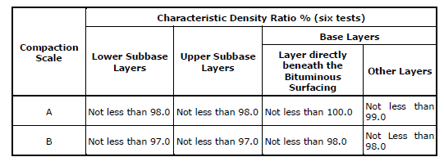 The calculation of density ratio shall be based on tests performed using Modified compactive effort. The work shall be assessed for compliance with Scale B requirements for testing and acceptance of compaction as specified in the table below | 304.08 Table 304.061 304.11 (b) Table 304.111 | Test point | This ITP signed | TP | Site Engineer | N/A |  | N/A
3.5 | Post Compaction Testing |  | Refer to table 304.111 for various minimum frequency or testing for Grading and PL | If specified in Clause 304.10(c) or Clause 304.10(d), following completion of compaction, material shall be tested for post-compaction grading or Plasticity Index (PI) at the frequency specified in Clause 304.11 for the appropriate Scale of Testing specified in Clause 304.12(a). | 304.10 Table 304.101 | Test point | This ITP signed | TP | Site Engineer | N/A |  | N/A
3.6 | Shape |  | Each lot | Layer to be finished to a smooth and uniform surface and after compaction shall have no point deviation > 8mm from 3m straight edge. The subbase shall also not be less than the specified thickness by more than 15mm | 304.06(b, d, i) Drawings Table 304.062 | Survey | This ITP signed | IP | Site Engineer | N/A |  | N/A
3.7 | Completed Surface Level Compliance |  | Each lot | 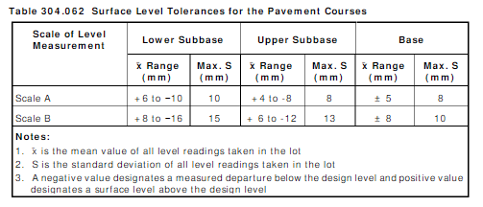 Each level measurement shall be taken at random locations over the area of the lot in accordance with the VicRoads Test Method and the number of measurements taken within each lot shall not be less than the number specified in Table 304.061. The mean and standard deviation of the departures from the design surface level for the pavement courses at their respective levels within each lot shall meet the requirements of Table 304.062. | 304.06(b) Drawings Table 304.062 | Survey | This ITP signed | SCP | Site Engineer | N/A |  | N/A
 | The signature below verifies that this ITP has been completed in accordance with the FH’s Quality system Procedures and verifies lot compliance with specifications.
 | Fulton Hogan | Print Name: |  | Position: |  | Signature: |  |  |  |  | Date: / /

Legend
HP | Hold Point | Work shall not proceed past the HP until released by the Superintendent |  |  | IP | Inspection point |  | Formal Inspection to be done and recorded
HP* | FH Hold Point | Work shall not proceed past the HP* until released by FH |  |  | TP | Test Point |  | Product compliance test to be undertaken and recorded/reported
WP | Witness Point | An inspection which must be witnessed by the Superintendent |  |  | SCP | Survey conformance point |  | A qualified surveyor to check product/section/structure and report
AP | Approval Point | Written or verbal approval given by the Superintendent

